Sheet1
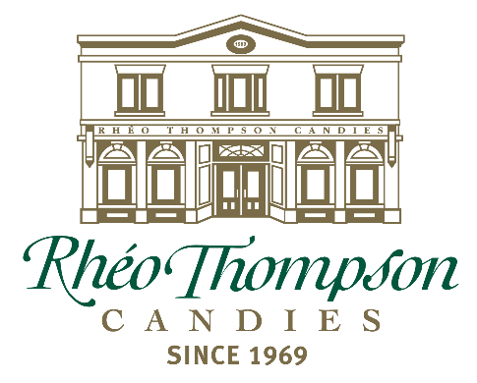 | 2022 RHEO THOMPSON CANDIES CHRISTMAS FUNDRAISING SALES FORM
 | FUNDRAISING GROUP:
 | PARTICIPANT NAME:

 | For a full product description and picture, please refer to the Fundraising Catalogue | HOLIDAY CHARACTERS |  |  |  | BOX | BARS |  | NEW | TOTAL
This chart will calculate your total cost for each order as well as the grand total for your sales. Taxes are included. |  | #1 Santa Face | #2 Roly-Poly | #3 Snowman | #4 Frosty Sucker | #5 1/2 lb Mint Smoothies® | #6A Milk Mint Smoothie® Bar | #6B Dark Mint Smoothie® Bar | #7 Hot Cocoa Mix | Cost of order

SUPPORTER NAME | PHONE NUMBER | $8.50 | $5.60 | $8.50 | $3.70 | $17 | $2.25 | $2.25 | $2.50 | $
 |  |  |  |  |  |  |  |  |  | 0.00
 |  |  |  |  |  |  |  |  |  | 0
 |  |  |  |  |  |  |  |  |  | 0
 |  |  |  |  |  |  |  |  |  | 0
 |  |  |  |  |  |  |  |  |  | 0
 |  |  |  |  |  |  |  |  |  | 0
 |  |  |  |  |  |  |  |  |  | 0
 |  |  |  |  |  |  |  |  |  | 0
 |  |  |  |  |  |  |  |  |  | 0
 |  |  |  |  |  |  |  |  |  | 0
TOTAL NUMBER OF ITEMS ORDERED: |  | 0 | 0 | 0 | 0 | 0 | 0 | 0 | 0 | $-
Please submit your total sales by:
Rhéo Thompson Candies Ltd. 55 Albert Street, Stratford, ON N5A 3K2. For more information visit www.rheothompson.com/fundraising.

